Back End
QRCode for (CBI) HR Assessment Form | QRCode for Technical Interview Assessment Form
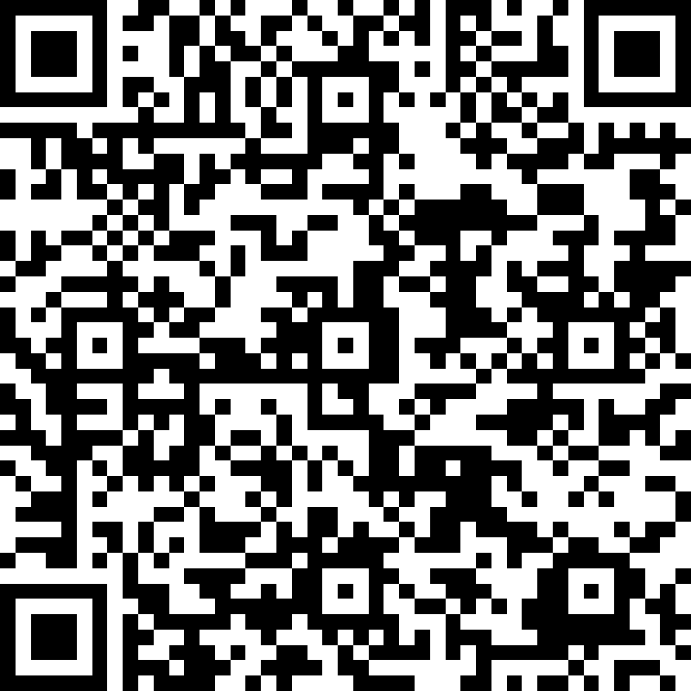
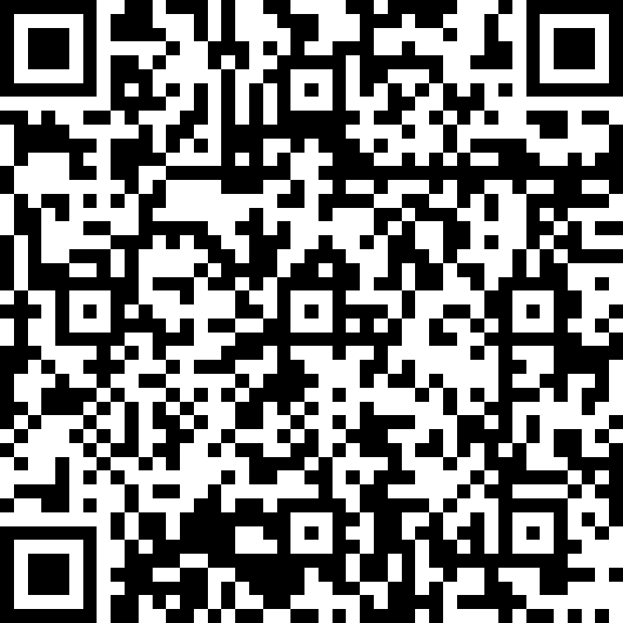

https://forms.office.com/r/S11bhgSdwV | https://forms.office.com/r/c6FHxWN5xp

